Title
SOLIDARY SELECTIVE COLLECTION (SOCO) ASSESSMENT TOOL
ACTOR SPREADSHEET

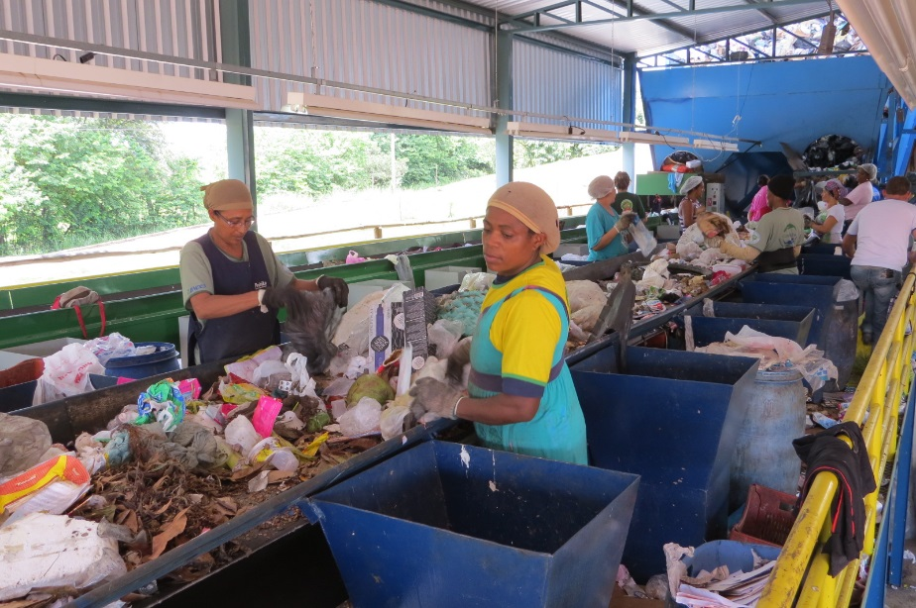


Tool for assessing the impacts/benefits and costs/revenues of solid waste management systems operated by the informal, public and private sector.

Developed and financed by:

